Dashboard
 |  | Food survey Dashboard

 | Total
Both | 46.48%
Non-vegetarian | 14.08%
vegetarian | 39.44%
count of city and country wise
 | Total
Baramulla, Kashmir | 1
Bareilly/Uttar Pradesh/India | 1
Bhopal/India | 1
Bhubaneswar | 3
Burlington/Vermont/USA | 1
Delhi | 6
Faridabad / India | 1
Gays | 1
Guwahati/ India | 1
Hathras/India | 1
Hisar/India | 1
Hyderabad | 8
India | 1
India/Bhopal | 1
Indore/India | 1
Jaipur; India | 1
Keojhar/India | 1
Kerala | 3
Kolkata | 25
Kulgam ,Jammu and Kashmir, India | 1
Kurnool / Andhra pradesh/ India | 1
Mizoram | 1
Mumbai/ India | 1
Mundra, India | 1
patna, india | 1
Rohtak / India | 1
Telangana | 1
Uttar Pradesh /India | 1
Vishakapatanam | 1
Vizag, Andhra Pradesh India | 1
Warangal, Telangana, India | 1
(blank)
 | Total
0-3 | 100.00%

46% people like to ocnsume both non-veg and veg items |  |  |  |  |  |  | 100% people said that they order food 0-3 times in a week, during pandemic, that is other responses of 3-5
 |  |  |  |  |  |  | or more showed no responses.
 |  |  | My survey recorded most people, that is 25, belonging from Kolkata, Delhi and Hyderabad.

 | Total
No | 19
Yes | 52
(blank)
 | Total
No | 58
Yes | 13
(blank)

 |  |  |  |  |  | On analysing the questions on diary products, it was concluded that 52 out of 71 people consume diary products daily, and after pandemic- the quality was consistent. Hence, maximum people saw no changes in the products.

 | Count of After pandemic, How many meals did you eat? | Count of Before pandemic, How many meals did you eat?
Breakfast, Lunch, Dinner | 57 | 57
Lunch, Dinner | 3 | 3
Other | 1 | 1
Breakfast, Lunch, Dinner | 4 | 4
Lunch, Dinner | 2 | 2
Breakfast, Lunch, Dinner | 2 | 2
Other | 2 | 2
 | Total
Maybe | 9
No | 32
Yes | 30

In normal conditions, 50% people order food |  |  |  | Maximum people, acc to my survey prefer having 3 times eating pattern- Breakfast, Lunch, dinner
and 50% do not prefer ordering food from outside |  |  |  | and people who marked others- also prefer having snacks, during pandemic.

 | Total
All home made foods healthy, tasty rice wheat. | 1
Healthy | 15
Healthy | 2
Healthy (Rice, vegetables, pulses) | 1
Healthy and junk | 1
Healthy and Tasty | 4
Healthy ðŸ’“ðŸ˜ | 1
Healthy food | 1
Healthy food and drinking hot water etc | 1
Healthy food, mostly vegetables and fresh fruits | 1
Healthy foods preferably | 1
Healthy tasty | 1
Healthy tasty Rice , more non veg , more dry fruits. | 1
Healthy, Junk, Fruits | 1
Healthy, rice, wheat. | 1
Healthy, some junk, rice nd wheat are added too | 1
Healthy, tasty food | 1
Healthy, Tasty, Rice, junk | 1
Healthy, Tasty, Sometimes junk (Mostly home cooked) | 1
Healthy,rice,wheat | 1
Healthy,tasty | 1
Healthy,Tasty,Junk | 1
Healthy,tasty,junk,rice,wheat..a mix of almost all. | 1
Homemade majorly, whether it is Junk or healthy | 1
Rice,wheat, healthy , dryfruits,fruits | 1
Vegetarian, mostly healthy | 1

 | Total
Both | 29.58%
Local/ street vendors | 56.34%
Mart such as Amazon fresh, Big basket, Dely Bazaar, Reliance fresh, Aldi, Tesco, Morrisons | 14.08%
 | Count of Do you prefer eating fruits? | Count of Have you been consuming more fruits in pandemic?
less fruits | 4 | 4
more fruits | 14 | 14
less fruits | 2 | 2
(blank) | 1
less fruits | 16 | 16
more fruits | 34 | 34

Healthy options are everyone's priority in pandemic |  |  |  |  | People who prefer eating fruits, also consumed more fruits during pandemic
 |  |  |  |  |  |  |  | Since, local vendors are the easiest option- people prefer buying from them.
 |  |  |  |  |  |  |  | 30% prefer both, 56.34% opt for local/street vendors and only 14% opt for online baskets

 | INSIGHTS:

 | Most people prefer healthy eating, and hence they chose fruits and diary products more during the pandemic as their healthy option.
 | People noticed delayed deliveries from online baskets and hence they always prefer local/street vendors.
 | As most people are from Hyderabad and Kolkata, people consume Non-veg and vegetarian, both.

city, food
Row Labels | Count of What city and country are you from? Kindly place / in between city and country.
Kolkata | 25
Both | 14
No | 7
Yes | 7
Non-vegetarian | 7
No | 1
Yes | 6 | Observation:
vegetarian | 4
56% (14) out of 25 people in Kolkata prefer both vegetarian and Non-vegetarian food.
-50% out of these consume dairy products regularly
62.5% people in Hyderabad prefer vegetarian food
- 62.5% out of these consume dairy products regularly.
Yes | 4
Hyderabad | 8
vegetarian | 5
Yes | 5
Both | 3
Yes | 3
Delhi | 6
vegetarian | 5
Yes | 5
Both | 1
Yes | 1
Bhubaneswar | 3
Both | 1
No | 1
vegetarian | 1
Yes | 1
Non-vegetarian | 1
Yes | 1
Kerala | 3
Both | 1
Yes | 1
vegetarian | 1
Yes | 1
Non-vegetarian | 1
Yes | 1
Mizoram | 1
Both | 1
No | 1
Vizag, Andhra Pradesh India | 1
Both | 1
Yes | 1
Rohtak / India | 1
vegetarian | 1
Yes | 1
Faridabad / India | 1
vegetarian | 1
Yes | 1
Kulgam ,Jammu and Kashmir, India | 1
Both | 1
No | 1
Gays | 1
vegetarian | 1
No | 1
Mundra, India | 1
vegetarian | 1
Yes | 1
Guwahati/ India | 1
Both | 1
Yes | 1
Uttar Pradesh /India | 1
Non-vegetarian | 1
Yes | 1
Hathras/India | 1
Both | 1
Yes | 1
Burlington/Vermont/USA | 1
vegetarian | 1
Yes | 1
Hisar/India | 1
vegetarian | 1
Yes | 1
Kurnool / Andhra pradesh/ India | 1
Both | 1
Yes | 1
Bareilly/Uttar Pradesh/India | 1
vegetarian | 1
Yes | 1
Mumbai/ India | 1
vegetarian | 1
No | 1
India | 1
Both | 1
Yes | 1
patna, india | 1
Both | 1
Yes | 1
India/Bhopal | 1
Both | 1
No | 1
Telangana | 1
vegetarian | 1
No | 1
Warangal, Telangana, India | 1
Both | 1
No | 1
Vishakapatanam | 1
vegetarian | 1
No | 1
Baramulla, Kashmir | 1
Both | 1
Yes | 1
Bhopal/India | 1
Both | 1
Yes | 1
Keojhar/India | 1
Both | 1
No | 1
Indore/India | 1
vegetarian | 1
Yes | 1
Jaipur; India | 1
vegetarian | 1
No | 1
(blank)
(blank)
(blank)
Grand Total | 71

Charts analysis of meal count
 | Comparision of count of meals before and after Pandemic

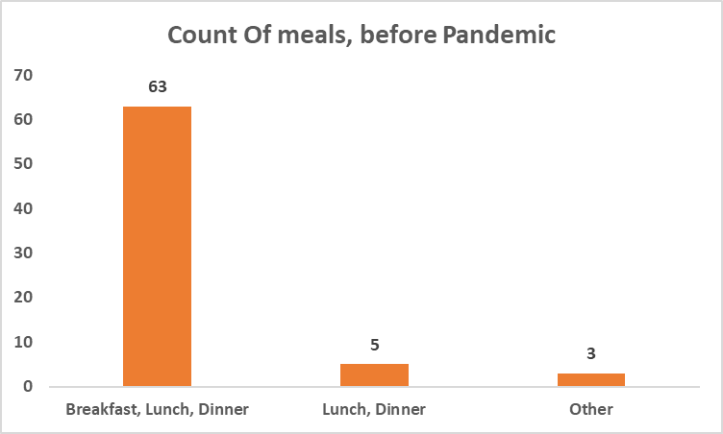
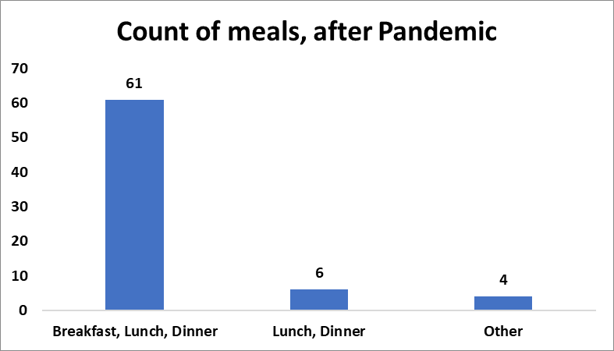

Observation : 63 (90% ) of the total responses preferred havig 3 meals in a day before the outbreak and after the outbreak, 61 (87%) of the total responses preferred.
Hence, There is almost no change in the number of meals, when people were sitting at home in lockdown and also when some started gaining weight.

cumulative pivot
Do you prefer eating fruits?

Row Labels | Count of Do you prefer eating fruits?
Yes | 50
Love eating fruits | 18
No | 3 | Observation: 52 out of 61 people who eat 3 meals a day,
Grand Total | 71 | prefer consuming dairy products regularly.

Row Labels | Count of After pandemic, How many meals did you eat?
Breakfast, Lunch, Dinner | 61
Lunch, Dinner | 6
Other | 4
Grand Total | 71

Regular Dairy Products Consumption
 | Total
No | 19
Yes | 52
(blank)
Row Labels | Count of Before pandemic, How many meals did you eat?
Breakfast, Lunch, Dinner | 63
Lunch, Dinner | 5
Other | 3
Grand Total | 71

Row Labels | Count of Do you consume dairy products regularly?
No | 19
Yes | 52
(blank)
Grand Total | 71

